Comparison (1)
AIR DEVICES RATES COMPARISON - GSK

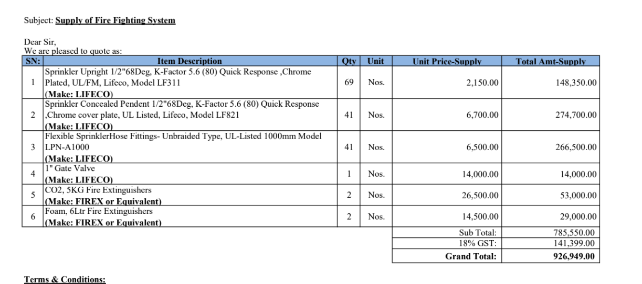
 | Unit | Qty | PES Rates | MehrAn | Raees
Concealed Pendent Sprinkler with Paint Finish and Cover Plate (Quick Response) | Nos. | 3 | 10,875 | 11,536 | 9,856
Upright Sprinkler Head Quick Response | Nos. | 10 | 8,613 | 9,373 | 6,776
25mm Diameter | No. | 1 | 6,525 | 5,376 | 4,576
CO2 Extinguisher Capacity 5 kg | Nos. | 2 | 6,003 | 6,180 | 5,280
Foam Type Extinguisher Capacity 06 Litres | No. | 1 | 3,306 | 3,708 | 3,168

